Sheet1
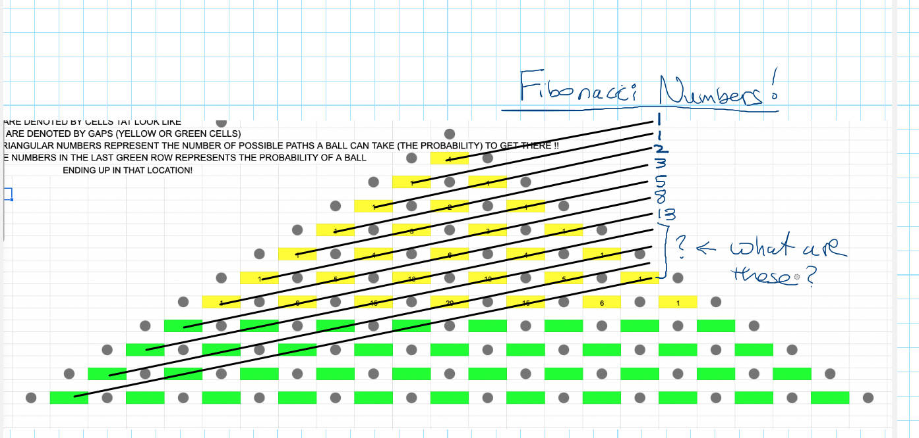
Galton Board Lab

1 | Form teams of 2 or 3
2 | All students help to assemble the Galton board using the sketch
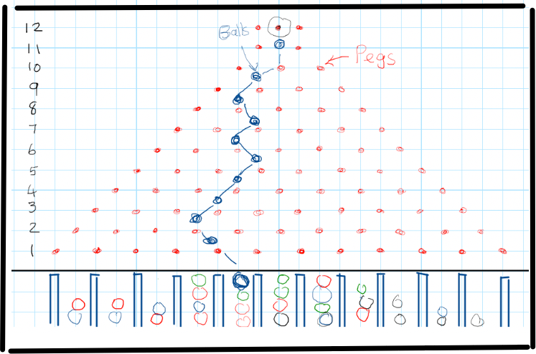

3 | All students make notes in their notebook for current and future reference - teacher will guide you
4 | Each team of 2 will drop balls one at a time to go through the board. Redo the balls that escape the triangle!
5 | One students drops the balls and other students will ensure that the balls remain in the Bin on the floor
6 | Each team will drop all of the balls twice through and record the count for each Bin in this sheet emailed to them

 |  | Trial 1
 |  | Team 1 | Team 2 | Team 3
 | Bin 1
 | Bin 2
 | Bin 3
 | Bin 4
 | Bin 5
 | Bin 6
 | Bin 7
 | Bin 8
 | Bin 9
 | Bin 10
 | Bin 11
 | Total Check
 |  |  |  |  |  |  | Galton Board Results for whole class
 |  | Trial 2 |  |  |  |  | Team 1 Average | Team 2 Average | Team 3 Average | Cumuative
 |  | Team 1 | Team 2 | Team 3 |  | Bin 1
 | Bin 1 |  |  |  |  | Bin 2
 | Bin 2 |  |  |  |  | Bin 3
 | Bin 3 |  |  |  |  | Bin 4
 | Bin 4 |  |  |  |  | Bin 5
 | Bin 5 |  |  |  |  | Bin 6
 | Bin 6 |  |  |  |  | Bin 7
 | Bin 7 |  |  |  |  | Bin 8
 | Bin 8 |  |  |  |  | Bin 9
 | Bin 9 |  |  |  |  | Bin 10
 | Bin 10 |  |  |  |  | Bin 11
 | Bin 11 |  |  |  |  | Total Check
 | Total Check

Balls vs. Bins
 |  | Team 1 Averages
 |  | Trial 1 | Trial 2 | Average
 | Bin 1 |  |  |  |  | Plot of Averages - This should be a Normal Distribution or BELL CURVE |  |  |  |  | Sample Data is entered below for plotting
 | Bin 2 |  |  |  |  |  |  |  |  |  | This will be changed to your data from column K50-K59
 | Bin 3 |  |  |  |  |  |  |  |  |  | Bins | Balls
 | Bin 4 |  |  |  |  |  |  |  |  |  | 1 | 2
 | Bin 5 |  |  |  |  |  |  |  |  |  | 2 | 3
 | Bin 6 |  |  |  |  |  |  |  |  |  | 3 | 5
 | Bin 7 |  |  |  |  |  |  |  |  |  | 4 | 7
 | Bin 8 |  |  |  |  |  |  |  |  |  | 5 | 12
 | Bin 9 |  |  |  |  |  |  |  |  |  | 6 | 8
 | Bin 10 |  |  |  |  |  |  |  |  |  | 7 | 7
 | Bin 11 |  |  |  |  |  |  |  |  |  | 8 | 7
 | Total Check |  |  |  |  |  |  |  |  |  | 9 | 1
 |  |  |  |  |  |  |  |  |  |  | 10 | 4
 |  | Team 2 Averages
 |  | Trial 1 | Trial 2 | Average
 | Bin 1
 | Bin 2
 | Bin 3
 | Bin 4
 | Bin 5
 | Bin 6
 | Bin 7
 | Bin 8
 | Bin 9
 | Bin 10
 | Bin 11
 | Total Check

 |  | Team 3 Averages
 |  | Trial 1 | Trial 2 | Average
 | Bin 1
 | Bin 2
 | Bin 3
 | Bin 4
 | Bin 5
 | Bin 6
 | Bin 7
 | Bin 8
 | Bin 9
 | Bin 10
 | Bin 11
 | Total Check

7 | Construct a Pascal's Triangle for our Galton Board (12 rows and 11 pins) below based on picture

8 | FILL OUT THE TIRANGULAR NUMBERS IN THE GREEN CELLS
 | PEGS ARE DENOTED BY CELLS TAT LOOK LIKE
 | BALLS ARE DENOTED BY GAPS (YELLOW OR GREEN CELLS)
 | THE TRIANGULAR NUMBERS REPRESENT THE NUMBER OF POSSIBLE PATHS A BALL CAN TAKE (THE PROBABILITY) TO GET THERE !!
 | SO THE NUMBERS IN THE LAST GREEN ROW REPRESENTS THE PROBABILITY OF A BALL |  |  |  |  |  |  |  |  |  |  |  | 1
 | ENDING UP IN THAT LOCATION!
 |  |  |  |  |  |  |  |  |  |  |  | 1 |  | 1

 |  |  |  |  |  |  |  |  |  |  | 1 |  | 2 |  | 1

 |  |  |  |  |  |  |  |  |  | 1 |  | 3 |  | 3 |  | 1

 |  |  |  |  |  |  |  |  | 1 |  | 4 |  | 6 |  | 4 |  | 1

 |  |  |  |  |  |  |  | 1 |  | 5 |  | 10 |  | 10 |  | 5 |  | 1

 |  |  |  |  |  |  | 1 |  | 6 |  | 15 |  | 20 |  | 15 |  | 6 |  | 1

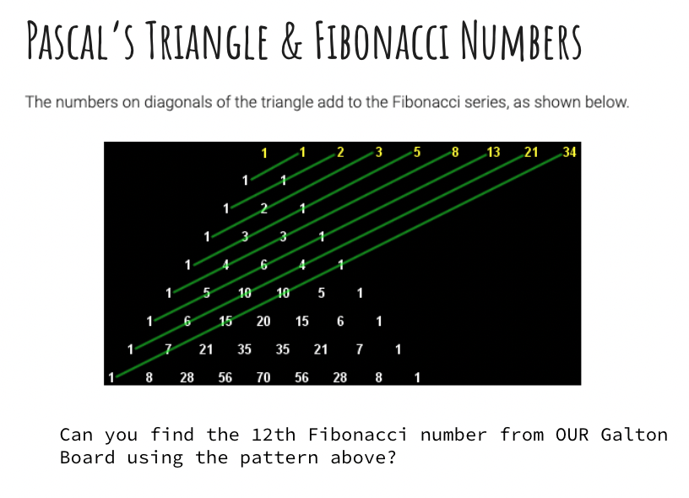

 |  | Fibonacci Sequence = Simply the sum of previous 2 integers given the first two 1s!
 |  | 1 | 2 | 3 | 4 | 5 | 6 | 7 | 8 | 9 | 10 | 11 | 12 | <=========== | Simple Sequence of Integers
 |  | 1 | 1 | 2 | 3 | 5 | 8 | 13 | 21 | 34 | 55 | 89 | 144 | <=========== | Simply Add Previous 2 numbers given the first 2 !

